Sheet1
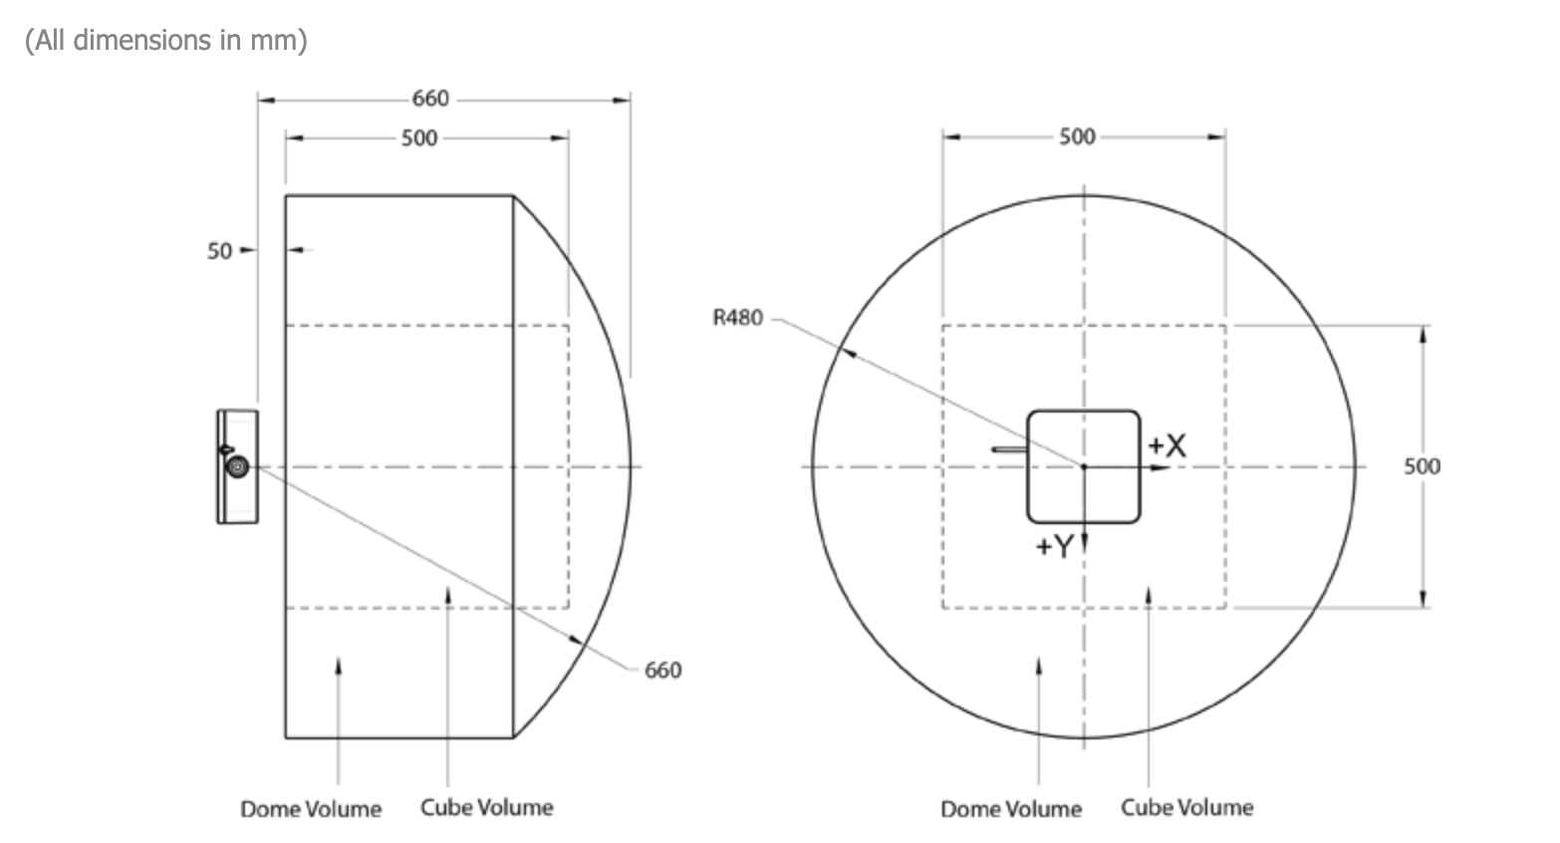
Sensor Type | NDI Aurora V3.1; 5D.P05.07-1 (610157) EM Tracker | Range
Working Principle | The magnetic field generator generates a magnetic field. Inductive current occurs in the small coils (sensors) when they move relative to the magnetic field
Accuracy | 1.4mm Cube, 2mm Dome
Sensor Length | 6.3+-0.2mm
Diameter | 0.45mm
Degree of Freedom | 5 (No roll detection); if 6 is needed, use two sensors / sensor with two coils
Delay
Frequency | 40Hz
Number of coils supported | 4 channels; 2 coils per channel
Link | https://www.ndigital.com/medical/products/aurora/#specifications-planer-field

Material | Works?
Plastic (Original) | Yes
More Plastic | Yes
Tape | Yes
Notebook (Paper) | Yes
Steel Plate | If plate is between coil and magnetic field generator, it doesn't work no matter what. If coil is between plate and generator, it doesn't work when coil is close to the plate
Aluminum(?) Tube | Doesn't work when the sensor is in the tube or too near
Cloth | Yes
Human Hand | Yes
Yash's tube (Nickel & Titanium) | Yes
Steel Tip (from a paper clip) | Yes

Problems | How to avoid
Eddy Current | Avoid metal loops; Use plastic when possible
Ferromagnetic Metals | Use other materials; Keep these metals as far as possible
Difficult to connect tightly to surfaces | Make the wire long enough so that the sensor is not dragged out from the container

Metals that work with Aurora (according to NDI)
Cobalt-chrome alloy
Steel DIN 1.441
Titanium (TiA16V4)
300 Series stainless steel

Conclusion
The safest way of using the EM tracker is to avoid any matallic materials whereever possible. NDI also recommended several metallic materials. However, after conducting several tests, it can be concluded that the shape of the material is equally important as the material itself. Surprisingly, if the metal piece is small, even ferromagnetic materials like steel doesn't affect the sensor. But larger plates and tubes can severely affect the EM tracker.

